DFR Responsibilties
Work Break Down Percentage
 |  | Product development task [Execution related task] |  |  |  | Contractual review task [ Non-execution related task] | Non-execution related task
Task number | Task | Category # 1 [ High risk ] | Category # 2 [ Significant risk ] | Category # 3 [Moderate risk] | Category #4 [Minimum risk] | Contract fullfilment | Procedures, methods & training | Total | Percentage allocation
1 | Develop and deliver training on RAM tools |  |  |  |  |  | 1 | 1 | 2%
2 | Develop reliability procedures |  |  |  |  |  | 1 | 1 | 2%
3 | Write reliability reports | 1 | 1 | 1 | 1 | 1 |  | 5 | 10%
4 | Setting RAM Requirements | 1 | 1 | 1 | 1 | 1 |  | 5 | 10%
5 | Manage reliability program scorecard | 1 | 1 | 1 | 1 |  |  | 4 | 8%
6 | Reliability program planning | 1 | 1 | 1 | 1 |  |  | 4 | 8%
7 | Reliability predictions | 1 | 1 | 1 | 1 | 1 |  | 5 | 10%
8 | System reliability analyses [RAM analysis; reliability allocation] | 1 | 1 | 1 | 1 | 1 |  | 5 | 10%
9 | Analyze accelerated life test, reliability demsonstration test & field data | 1 | 1 | 1 | 1 | 1 |  | 5 | 10%
10 | Support design reviews and engineering team meetings | 1 | 1 | 1 | 1 | 1 |  | 5 | 10%
11 | Facilitate and execute FMECAs | 1 | 1 | 1 | 1 | 1 |  | 5 | 10%
12 | Create reliability demonstration, growth, HALT and accelerated life test plans | 1 | 1 |  |  | 1 |  | 3 | 6%
13 | RCA of test & field failures | 1 | 1 |  |  | 1 |  | 3 | 6%
 | Total number of tasks | 11 | 11 | 9 | 9 | 9 | 2 | 51 | 100%

Fixed and Variable Cost Tasks
 | Total of tasks with fixed cost | 40
 | Total of tasks with variable cost | 11
 | Total | 51

 | Fixed cost tasks % | 78%
 | Variable cost tasks % | 22%
 | Total | 100%

 |  | Cost legend
 |  | Fixed cost ($) | Variable cost ($) | No cost ($)

Simulation worksheet
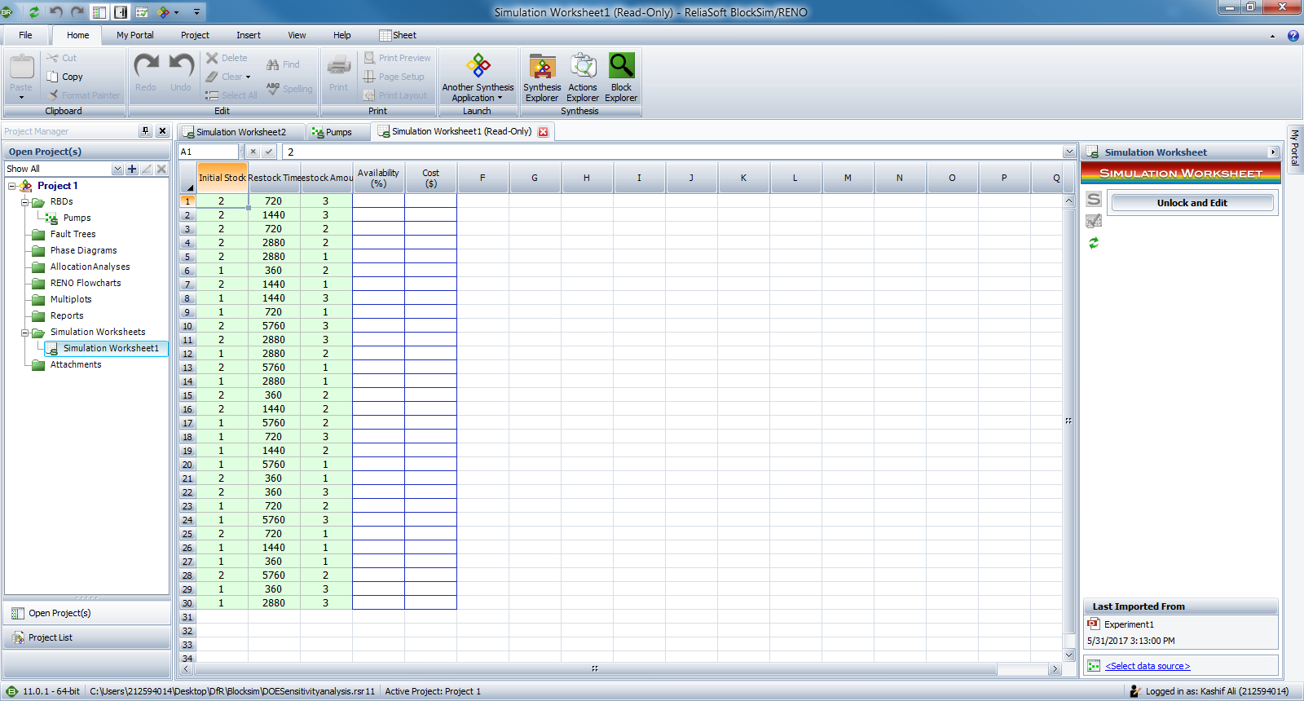
 | Reliasoft Hotwire: Sensitivity Analysis Using Simulation Worksheets in BlockSim and DOE++

Create RBD in Blocksim

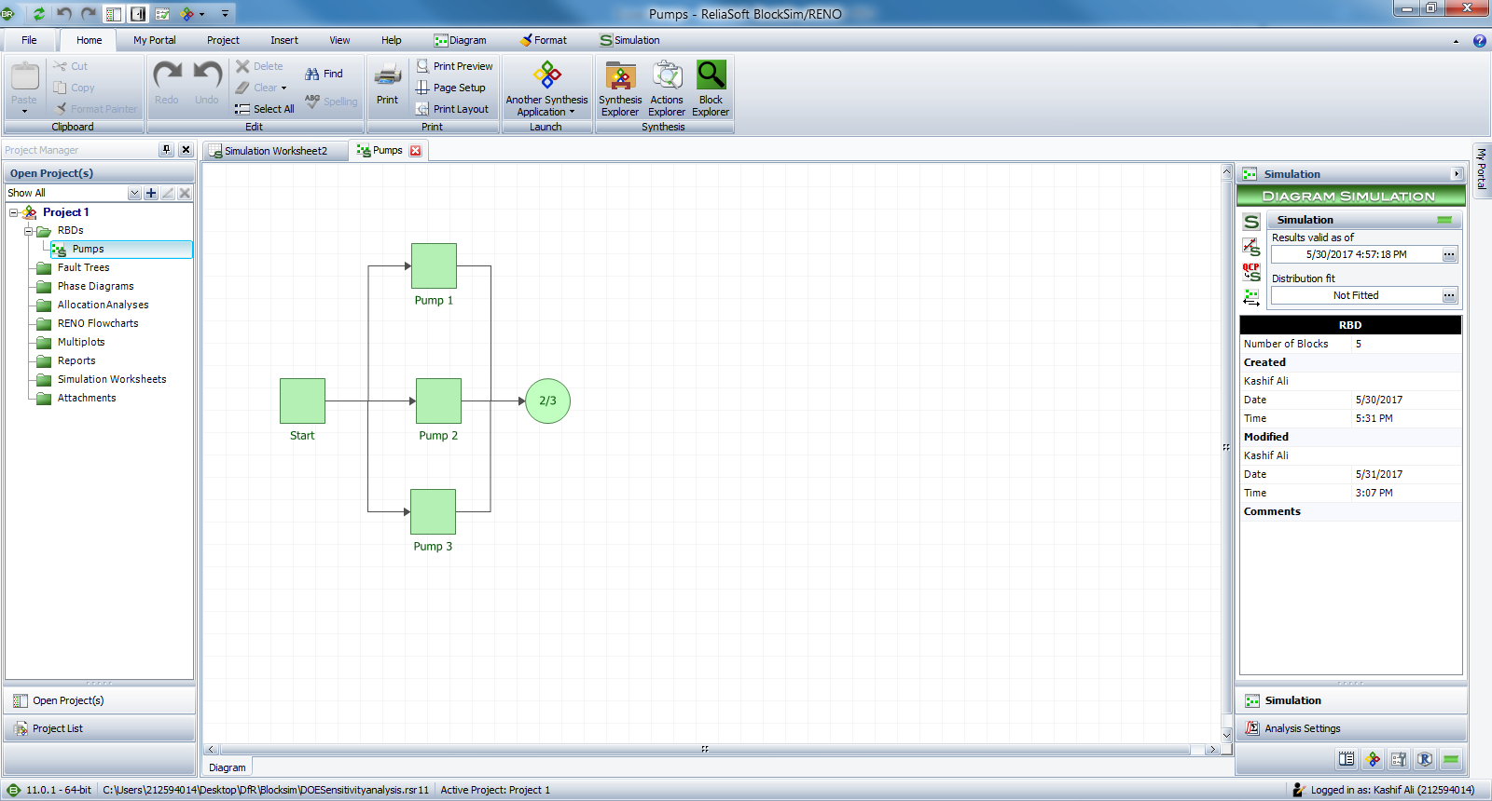

Open project in DOE ++ and create design. Transfer to simulation worksheet

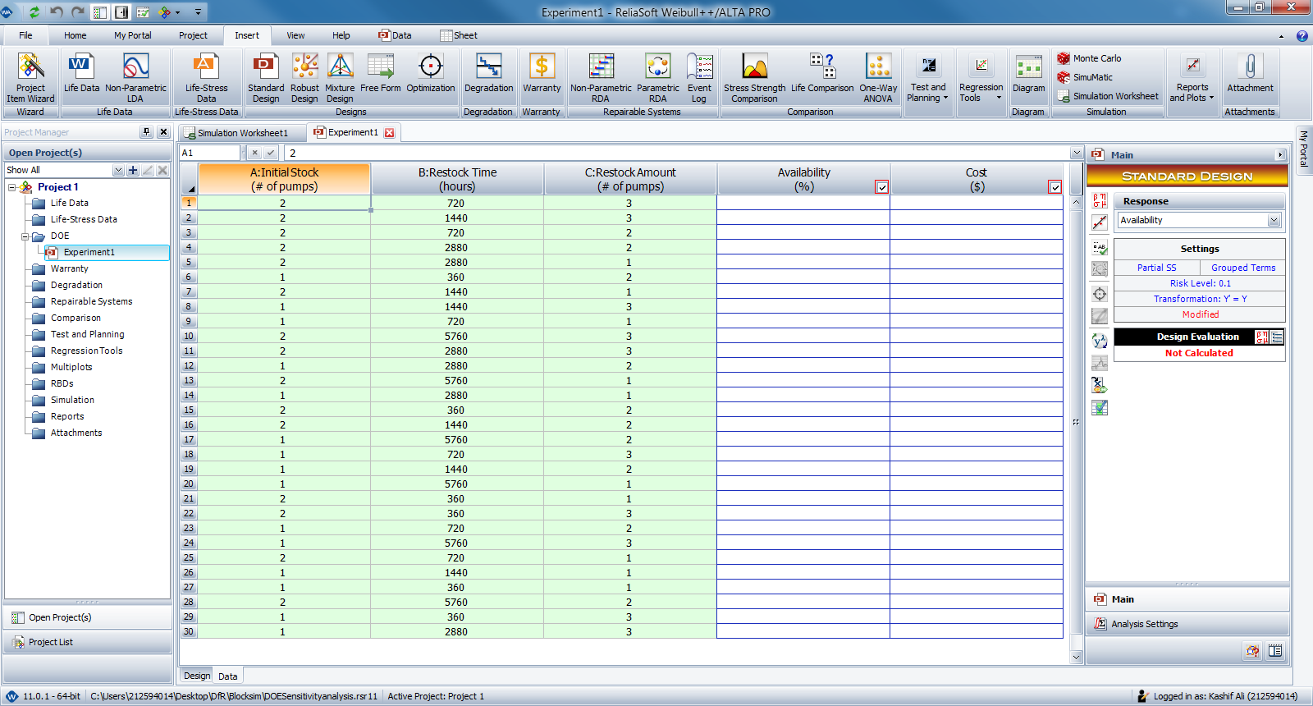

Click refresh button and simulation worksheet from DOE++ will be transferred to Blocksim

LCC
Life cycle cost analysis
A life cycle cost analysis involves the analysis of the costs of a system or a component over its life span
Typical costs for a system may include:
Acquisition costs (or design & development costs) | System Cost Summary
Operating costs: | Corrective
Cost of failures | Misc. Corrective Costs: | $0.00
Cost of repairs | Costs for Parts (CM): | $15,690.30
Cost for spares | Costs for Crews (CM): | $37,333.99
Downtime costs | Total CM Costs: | $53,024.29
Loss of production | Preventive
 | Misc. Preventive Costs: | $0.00
 | Costs for Parts (PM): | $0.00
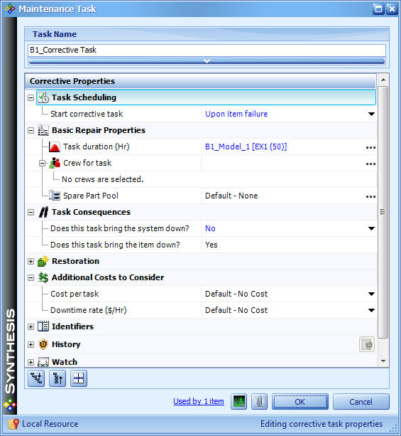
 | Costs for Crews (PM): | $0.00
 | Total PM Costs: | $0.00
 | On Condition
 | Misc. On Condition Costs: | $0.00
 | Costs for Parts (OC): | $0.00
 | Costs for Crews (OC): | $0.00
 | Total OC Costs: | $0.00
 | Inspection
 | Misc. Inspection Costs: | $0.00
 | Costs for Crews (IN): | $0.00
 | Total Inspection Costs: | $0.00
 | Block Consequential Costs
 | Total Block Consequential Costs: | $0.00
 | Indirect Pool Costs
 | Total Pool Holding Costs: | $17,532.49
 | Additional System Level Costs
 | System Level Failure Cost (CM): | $0.00
 | System Level Downtime Costs (CM): | $0.00
 | System Level Total Costs (CM): | $0.00
 | System Level Failure Cost (Total): | $0.00
 | System Level Downtime Cost (Total): | $0.00
 | System Level Total Costs (Total): | $0.00
 | Total Costs
 | Total Costs: | $70,556.79
 | Opportunity Costs
 | Opportunity Cost (CM): | N/A
 | Opportunity Cost(Total): | $0.00
 | System Revenue Summary
 | Uptime Revenue: | $0.00
 | Throughput Revenue: | N/A
 | Total Revenue: | $0.00

Generating random numbers

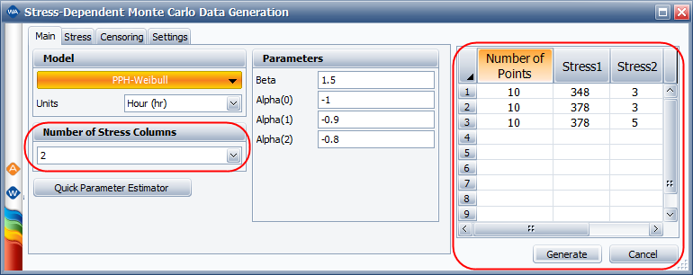
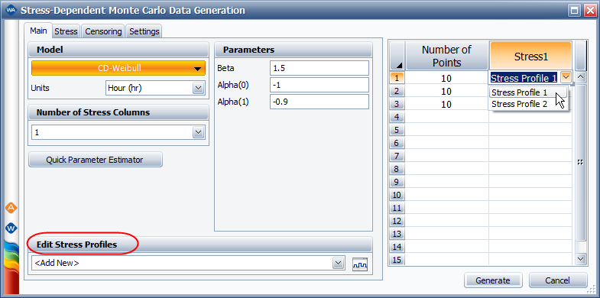
Home > Simulation > Monte Carlo and SimuMatic > Monte Carlo Utility
 | Related Topics and Links:
 | Monte Carlo and SimuMatic

Monte Carlo Utility

The Monte Carlo utility uses Monte Carlo simulation to generate a single data set containing values that are distributed according to a specified model. The software uses the cdf (cumulative distribution function) of the relevant distribution to solve for time given an unreliability value chosen from a uniform random distribution. The process is repeated with new random unreliability values until the desired number of data points is obtained. The data set is then automatically placed in a life data folio (Weibull++) or life-stress data folio (ALTA), where it can be analyzed like any other data set.
To access the Monte Carlo utility, choose Insert > Simulation > Monte Carlo. If you have both Weibull++ and ALTA activated on your computer, you will be offered a choice between the Monte Carlo or Stress-Dependent Monte Carlo utility.

In general, you can produce a data set in just a few steps:
1. Use the Main tab of the setup window to specify the distribution/model and its parameter values.
2. Use the Censoring tab of the setup window to specify the censoring type.
3. Use the Settings tab of the setup window to specify the number of data points to generate.
4. In ALTA, additional steps are required:

Use the Stress tab of the setup window to specify an appropriate use level and transformation (if applicable) for each stress.
Use the data sheet on the right side of the setup window to specify the stress levels and the number of data points to generate for each stress level.
To learn more, the following sections provide complete descriptions of all available options in the utility.

Main Tab
The Main tab of the setup window allows you to select a distribution/model, enter its required parameter values and select the time or usage units (e.g., hours) for the failures/suspensions in the data set.
If the estimated values of the distribution parameters are not available, you can use the Quick Parameter Estimator button to solve for them.
For Weibull++'s Monte Carlo utility:
If you select the normal, logistic or generalized gamma distributions, the Allow Negative Values check box will be available. When generating data to simulate a test, negative failure times can be used to simulate failures that occur before a unit's testing period begins, such as failures due to manufacturing defects or damage that is incurred during shipping.
If you select the mixed Weibull distribution, you will need to specify parameters for each subpopulation. The Portion field is for the percentage entered as a decimal of the total data set represented by the selected subpopulation. Thus, the sum of the portion values for all subpopulations must be equal to 1.
If you select the User-Defined distribution, you can manually enter an equation that relates different random variables. (See User-Defined Equations.)

In the Equation area, use R to insert a uniform random variable.
Click the Insert Data Source button if you wish to generate simulated values based on distributions calculated from a folio in the project.
For ALTA's Stress-Dependent Monte Carlo utility:
If you select the proportional hazards (PPH), general log-linear (GLL) or cumulative damage (CD) model, the Number of Stress Columns area will be enabled. It allows you to add stress columns to the data sheet on the right side of the window. In the data sheet, specify the value of each stress level and how many data points you want generated for each stress level.

If you select the cumulative damage (CD) model, you must assign time-dependent stress profiles to the stress columns in the data sheet.
To create a new profile, choose <Add New> from the Edit Stress Profiles drop-down list and then click the Create/View Profile icon
. To edit an existing profile, choose it from the drop-down list and then click the icon.

Stress Tab (ALTA Only)
The Stress tab of the setup window applies to the Stress-Dependent Monte Carlo utility only. It allows you to specify a use level for each stress type. There will be a separate input box for each stress column in the data sheet.
If you have selected the general log-linear (GLL) or cumulative damage (CD) model, you must also select an appropriate Transformation for each stress:
None X=V is for stress types associated with the exponential life-stress relationship (LSR). This transformation is commonly used for indicator variables (e.g., 0 = on/off and 1 = continuous operation).
Reciprocal X=1/V is for stress types associated with the Arrhenius LSR. This transformation is commonly used for thermal stresses.
Logarithmic X=ln[V] is for stress types associated with the inverse power law LSR. This transformation is commonly used for non-thermal stresses.

Censoring Tab
No censoring: The generated data set will contain only exact failure times (i.e., it will contain no right censored, interval or left censored data).
Right censoring after specific number of failures: You specify the number of failures, n, that the generated data set will contain. After the data are generated, they are sorted. The first n data points will be marked as failures while the remaining data points will be marked as suspensions at a time equal to the time of the nth failure. When used with SimuMatic, this option allows you to simulate a failure-terminated test (i.e., a test that ends after a specified number of failures occur).
Note: To illustrate how this censoring is performed in the Stress-Dependent Monte Carlo utility, suppose you chose to generate 20 data points (e.g., 10 at one stress level and 10 at another) and entered 10 in the Number of Failures field. The software would first generate 20 time values. Then the lowest 10 values across all the stress levels would be marked as failure times. The remaining 10 values would be marked as suspensions.
Right censoring after a specific time: You specify a duration in the Time field. All simulated values that do not exceed this time will be marked as failure times. Values that exceed this time will be considered suspensions at the specified time (i.e., units that had not failed by the end of the test). When used with SimuMatic, this option allows you to simulate a time-terminated test (i.e., a test that ends after a specified time).
Random censoring (available in Weibull++ only): You provide percentages to specify what proportions of your total data points will consist of right censored, interval and left censored data. The remaining data points will be exact failure times. Thus, the sum of the three percentages entered cannot exceed 100%. This option can be useful for exploring how different kinds of uncertainty in your data can influence the results of an analysis.
For example, the settings in following picture shows that the software will generate a set of data points, where 20% of the data are right censored, 20% are interval censored, 20% are left censored and the remaining 40% are complete data (i.e., exact failure times).

Note: With random censoring, the software will censor your data using a uniform distribution. If this option is used to generate multiple data sets in SimuMatic, the percentages you enter will apply to the total number of generated data points, not the number of data points within each data set. Thus, if you select to have 50% of your generated data consist of suspensions (right censored data), half of all your data points will be suspensions, though some data sets may still contain more suspensions than others.

Settings Tab
The Settings tab of the setup window allows you to specify how you want to generate the data set and where you want the data to be stored:
Use Seed allows you to set a consistent starting point from which the random numbers will be generated. Using the same seed value and keeping all other settings the same will allow you to replicate your results.
Math Precision allows you to specify the number of decimal places to use for each simulated data point.
Data Points sets the number of data points you wish to generate.

For Weibull++'s Monte Carlo utility, use the Number of points field
For ALTA's Stress-Dependent Monte Carlo utility, use the data sheet on the right side of the window. For example, if you have selected a multi-stress model, the following settings would generate 10 data points for Stress 1 = 348 and Stress 2 = 3, 10 data points for Stress 1 = 378 and Stress 2 = 3, and 10 data points for Stress 1 = 378 and Stress 2 = 5.

Generate Data in Specified Folio and Data Sheet allows you to choose where to put the simulated data. Click the Active button to select the folio and data sheet that were active when the utility was opened. If you want the utility to always select the active folio and data sheet, select the Select active folio/sheet when loading this window check box.

Median Rank Calculations
Test Results |  |  |  | User Input
Unit | Low | Median | High | Distribution | 2P-Weibull
1 | 45.112217 | 128.476385 | 250.312963 |  | Beta=1.8, Eta=500
2 | 115.106945 | 218.070797 | 348.169871 | Sample Size | 8
3 | 179.902332 | 294.823599 | 433.251385 | Confidence Level | 80
4 | 243.5577 | 369.471584 | 517.883967 | Acceleration Factor | 1
5 | 309.828587 | 447.995378 | 609.563854
6 | 383.209232 | 537.180779 | 718.036658
7 | 471.806004 | 650.042888 | 864.450639
8 | 599.382989 | 829.813523 | 1129.612835

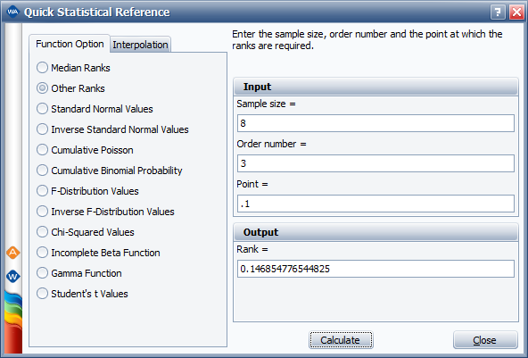


 | β | 1.8 |  |  | β | 1.8
 | η | 500 |  |  | η | 500

 | 0.15882548807 | =-LN(1-0.14685477) |  |  | 0.77262338206 | =-LN(1-0.5382)
 | 179.90232718 | =(D44)^(1/E39)*E40 |  |  | 433.24136893 | =(I44)^(1/E39)*E40

Analyze data wo suspension
 | A Simple Method for Analyzing a Data Set with Unknown Suspension Times |  |  |  |  |  |  | Sometimes valuable information is left out of field failure reporting systems, particularly if a system is put in place before it is known how the collected data will be used. Such omissions can lead to a misleading analysis of field failure data. This article considers a case where failure data on a fielded component are collected but operating times of unfailed fielded units are not known. First, the effect of suspension times on predicted reliability is examined, and then a simple method of estimating suspension times for fielded units is discussed.
 |  |  |  |  |  |  |  | Joe the reliability engineer had recently accepted a transfer to another site within his company. His new boss asked him to analyze some field data from a component to see if it was performing as well as the target B50 life of 5,000 hours. His boss gave Joe the total number of components (892) that were put into the field nine months ago and a failure data set, which is shown in Table 1. Joe was asked to provide an estimate of the B50 life of the components in the field by the end of the day.
 |  |  |  |  |  |  |  | Table 1: Fielded Component Failure Time Data Set
 |  | Fielded Component Failure Time Data Set |  |  |  |  |  | Component Failure Times (hours)
Component Failure Times (hours) |  |  |  |  |  |  |  | 795 | 2,363 | 3,204 | 3,825 | 4,382 | 4,709 | 5,236 | 5,981
795 | 2,363 | 3,204 | 3,825 | 4,382 | 4,709 | 5,236 | 5,981 | 1,132 | 2,363 | 3,352 | 3,867 | 4,441 | 4,763 | 5,517 | 5,988
1,132 | 2,363 | 3,352 | 3,867 | 4,441 | 4,763 | 5,517 | 5,988 | 1,388 | 2,457 | 3,363 | 3,931 | 4,468 | 4,802 | 5,685 | 6,026
1,388 | 2,457 | 3,363 | 3,931 | 4,468 | 4,802 | 5,685 | 6,026 | 1,543 | 2,650 | 3,432 | 4,083 | 4,514 | 4,863 | 5,696 | 6,062
1,543 | 2,650 | 3,432 | 4,083 | 4,514 | 4,863 | 5,696 | 6,062 | 1,896 | 2,688 | 3,570 | 4,124 | 4,541 | 4,942 | 5,750 | 6,071
1,896 | 2,688 | 3,570 | 4,124 | 4,541 | 4,942 | 5,750 | 6,071 | 1,972 | 3,005 | 3,604 | 4,168 | 4,542 | 4,943 | 5,838 | 6,175
1,972 | 3,005 | 3,604 | 4,168 | 4,542 | 4,943 | 5,838 | 6,175 | 1,980 | 3,166 | 3,639 | 4,198 | 4,563 | 4,991 | 5,863 | 6,189
1,980 | 3,166 | 3,639 | 4,198 | 4,563 | 4,991 | 5,863 | 6,189 | 2,077 | 3,191 | 3,715 | 4,242 | 4,567 | 5,042 | 5,891 | 6,422
2,077 | 3,191 | 3,715 | 4,242 | 4,567 | 5,042 | 5,891 | 6,422 | 2,220 | 3,201 | 3,785 | 4,367 | 4,690 | 5,232 | 5,937
2,220 | 3,201 | 3,785 | 3,785 | 4,690 | 5,232 | 5,937 |  | Every data point in the data set was classified as a failure, so Joe asked his boss where he could find information about the components that were still operating. Joe’s boss told him to treat the unfailed components as suspensions at 1 hour, just like Joe’s predecessor had done, since the only information they had about those components was that they didn’t fail upon startup.
 |  |  |  |  |  |  |  | Joe went back to his desk and looked at the information he had been given. The data set that contained the failure times was small compared to the total number of components in the population; maybe 7 or 8 percent of the total number of fielded components were accounted for in the data set. Joe knew that it would be best to use maximum likelihood estimation (MLE) rather than rank regression (RRX) to fit a model to the data, due to the large percentage of censored data points. But he also knew that the MLE method takes into account the exact times to suspension, so assuming a very small value for the operating times of all the suspended components would produce an overly conservative estimate of component life. Joe wanted to provide a more realistic estimate to his boss, but he knew that he would have to justify why he used a different method than his predecessor. He decided to use the Monte Carlo tool in Weibull++ to illustrate how the analysis could be improved.
 |  |  |  |  |  |  |  | Joe started by searching for a historical analysis of a similar component. He found data from a laboratory test of a previous generation of the component. The test results indicated that the previous generation component followed a Weibull distribution with a shape parameter, beta, of 2.5 and a scale parameter, eta, of 5,000 hours. He was unable to quickly find information on how many components were put into the field or the usage of the component. Given the time constraints, Joe chose to assume that 1,000 previous generation components were put into the field and that they had a usage that was uniformly distributed between 0 and 2,000 hours. He decided to separate the data into 10 bins, where each bin would hold 100 components of a specific usage level. As a first step, he created a folio with a data sheet for components with 200 hours of use, a second data sheet for components with 400 hours of use, and so on. He named each of the data sheets for use in the next steps.
 |  |  |  |  |  |  |  | Joe opened the Weibull++ Monte Carlo tool by choosing Home > Tools > Weibull++ Monte Carlo.

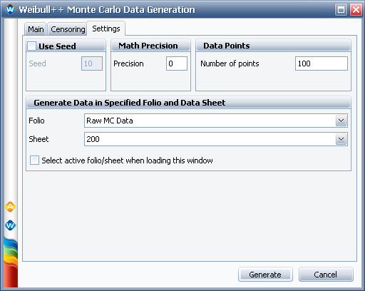
 |  |  |  |  |  |  |  | To create his data for the 200 hour usage level, he entered his parameters on the Main tab and specified the suspension time on the Censoring tab:
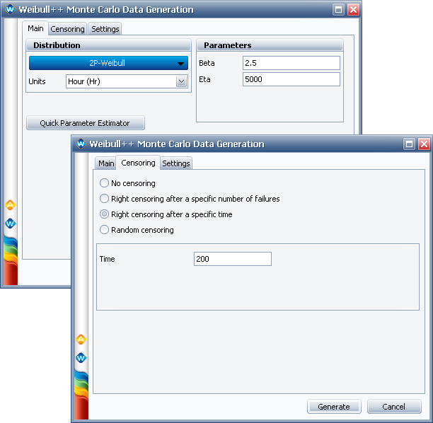
 |  |  |  |  |  |  |  | On the Settings tab, he cleared the Use Seed check box, set the number of data points to 100 and specified the "200" data sheet that he had created:

 |  |  |  |  |  |  |  | Then he clicked Generate to create the data for the 200 hour usage level. He repeated this process nine more times to generate data for the remaining usage levels. He then copied the data from each data sheet into a single data sheet in a new folio.
 |  |  |  |  |  |  |  | Joe made three copies of the Monte Carlo data for all 1,000 components (for a total of 4 data sheets). He set the distribution on all four data sheets to 2-parameter Weibull.
 |  |  |  |  |  |  |  | F Only
 |  |  |  |  |  |  |  | On the first data sheet, Joe deleted all the suspensions and analyzed the remaining data using RRX to mimic the case of analyzing his field data without considering the effect of the suspensions.
 |  |  |  |  |  |  |  | Distributed Suspensions
 |  |  |  |  |  |  |  | On the second data sheet, he analyzed the Monte Carlo data for all 1,000 components. This data sheet and all of the subsequent ones were analyzed using MLE because they contained mostly suspended data points.
 |  |  |  |  |  |  |  | S at 1
 |  |  |  |  |  |  |  | On the third data sheet, he changed all the suspension times to 1 hour to mimic the analysis his boss was expecting.
 |  |  |  |  |  |  |  | S at 2000
 |  |  |  |  |  |  |  | On the fourth data sheet, he changed all the suspension times to 2,000 hours to investigate what would happen if all the unfailed components in the field were assumed to have the maximum amount of usage.
 |  |  |  |  |  |  |  | Actual
 |  |  |  |  |  |  |  | Joe created an additional data sheet with no data to hold the parameters of the "actual" distribution. He clicked Calculate for the empty sheet and, when prompted, entered the parameters he had used to generate the Monte Carlo data (beta = 2.5, eta = 5,000 hours).
 |  |  |  |  |  |  |  | Joe created an overlay plot of reliability for all five data sheets to compare the results. He removed the data points in order to be able to see the reliability lines more clearly. He also made the line that showed the “actual” reliability curve thicker than the others.
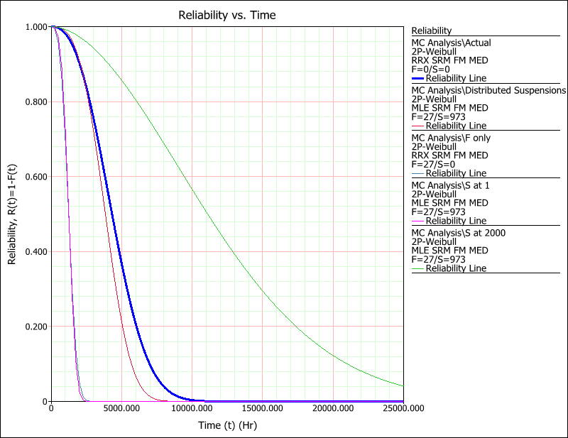
 |  |  |  |  |  |  |  | To explain the plot to his boss, Joe showed him the thick line representing the “actual” reliability curve and described how the leftmost two curves represent the analysis performed with only failure data and the analysis performed with all the unfailed components assumed to have a suspension time of 1 hour. Joe’s boss was surprised to see that the two curves were nearly indistinguishable and how much both methods underestimated the true reliability. Next, Joe pointed out that the rightmost curve, which greatly overestimated the true reliability, assumed all unfailed components had a usage equal to the greatest assumed usage of 2,000 hours. Finally, Joe showed his boss the curve immediately to the left of the “actual” reliability curve, in which he assumed that the usage of the unfailed components in the field was spread relatively evenly between 0 and 2,000 hours. At that point in the discussion, Joe’s boss remembered that he did have some actual usage data that was collected for the previous generation of the component. Joe’s predecessor didn’t know how to incorporate the usage data into his analyses, so Joe’s boss didn’t think of it again until Joe’s plot reminded him. An hour later, Joe’s boss produced the usage data shown in the first two columns of Table 2.
 |  |  |  |  |  |  |  | Table 2: Component Usage Information
 |  |  |  |  |  |  |  | Customers (%) | Usage per | Usage per 9 | Cumulative
 |  |  |  |  |  |  |  |  | Month (hours) | Months (hours) | Customers (%)
 |  |  |  |  |  |  |  | 10 | 25 | 225 | 10
 |  |  |  |  |  |  |  | 15 | 50 | 450 | 25
 |  |  |  |  |  |  |  | 40 | 100 | 900 | 65
 |  |  |  |  |  |  |  | 20 | 250 | 2,250 | 85
 |  |  |  |  |  |  |  | 15 | 700 | 6,300 | 99
 |  |  |  |  |  |  |  | Joe calculated the expected usage for the time the components had been in the field (9 months) and the cumulative percentage of customers with each usage, as shown in the last two columns of Table 2. (Note that Joe used 99% in the last cell in the table because Weibull accepts only numbers greater than 0% and less than 100% in the free-form data sheet.) He copied the calculated data into a free-form (probit) data sheet in Weibull++. He chose to analyze the data using rank regression minimizing the variability in the y-direction (RRY), because he was providing y-axis values instead of calculating them using median ranks. He used the distribution wizard and found that lognormal was the best fit for this usage data. It yielded a location parameter, log-mean, of 6.62627 and a scale parameter, log-std, of 0.928195.
 |  |  |  |  |  |  |  | Joe turned to the Monte Carlo tool again to generate his suspensions. Since there were 892 fielded components and 71 failures, he generated 821 data points following the lognormal usage distribution given above and using random censoring with 100% right censoring.
 |  |  |  |  |  |  |  | Now Joe was able to combine the failures and suspensions into a single data sheet. He chose MLE and a 2-parameter Weibull distribution. Then he used the QCP to obtain the B50 life. He presented the information shown in Table 3 to his boss. Joe told his boss that even though the B50 life predicted by the new analysis method met the target, two things bothered him. First, the lower bound of the prediction did not meet the target, so Joe proposed that it would be wise to continue to update his analysis as more failures were observed. He also mentioned that having additional information from the field could be helpful in multiple ways:
 |  |  |  |  |  |  |  | · With information about the usage of the items that were found failed, the Weibulll++ usage format warranty analysis folio could provide a somewhat more sophisticated analysis.
 |  |  |  |  |  |  |  | · Having suspension information from the field would be even more advantageous, as it would yield more accurate assessments of component reliability.
 |  |  |  |  |  |  |  | Joe’s boss agreed that collecting usage information on both failed and unfailed components would become a priority for the future.
 |  |  |  |  |  |  |  | Table 3: Component Data Analysis Summary
 |  |  |  |  |  |  |  |  | Beta | Eta | B50 Life Lower | B50 Life Median | B50 Life Upper
 |  |  |  |  |  |  |  |  |  | (hours) | Bound (hours) | Estimate (hours) | Bound (hours)
 |  |  |  |  |  |  |  | Target |  |  |  | 5,000
 |  |  |  |  |  |  |  | Failure Data Only | 2.89 | 4,662 | 3,801 | 4,106 | 4,436
 |  |  |  |  |  |  |  | Failure Data Plus Monte | 3.35 | 5,904 | 4,983 | 5,291 | 5,619
 |  |  |  |  |  |  |  | Carlo Suspensions
 |  |  |  |  |  |  |  | Conclusion
 |  |  |  |  |  |  |  | This example showed a way to analyze a data set with unknown suspension times. First, using the results of a previous generation component analysis, we examined the effect of assigning suspension times to unfailed components with unknown operating times in a variety of ways. Making the suspension times all short, all long, or evenly distributed showed a large difference in predicted reliability curves. Second, we used data on actual field usage to generate suspensions for the analysis of new component data. This showed that the new component was close to meeting its B50 life target.

RGA
In a reliability growth test, failures are classified into two types: A (not fixed) and B (fixed). The B type is further divided into two subtypes: BC (fixed during the test) and BD (fixed after the test). In general, based on these failure classifications, there are three different types of reliability growth test:
1. Test-fix-test: All B failures will be fixed during the test (i.e., only A and BC modes).
2. Test-find-test: All B failures fixed after the test (i.e., only A and BD modes).
3. Test-fix-find-test: Some of the type B failures will be fixed during the test while the rest of the type B failures will be fixed after the test (A, BC and BD modes).
The “No Delayed Fixes” folio contains the data from a test-fix-test reliability growth test. Since the failures are fixed right away, reliability growth is observed continuously during the test. The MTBF vs. time plot is shown next.
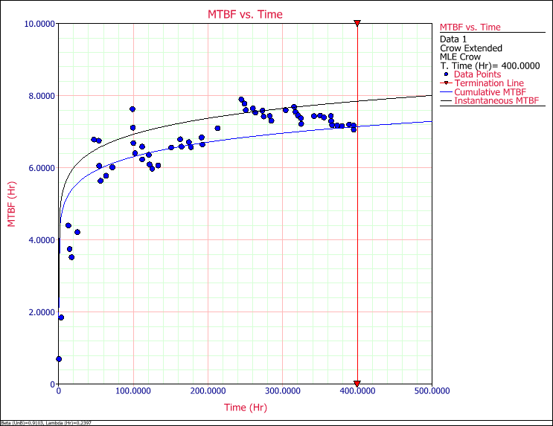

The “Delayed Fixes Only” folio contains data from a test-find-test reliability growth test. Since the failures are fixed at the end,
there is no reliability growth during the test (i.e., the analysis assumes that beta = 1). Reliability growth occurs at the end of the test when all the found failure modes are fixed.

The following plot shows the MTBF that was demonstrated at the end of the test (blue line), and that is expected to be achieved after implementing all the fixes (red point).and fixed).
It also shows the maximum reliability that can be achieved with the current management strategy (i.e., if all B failure modes are discovered
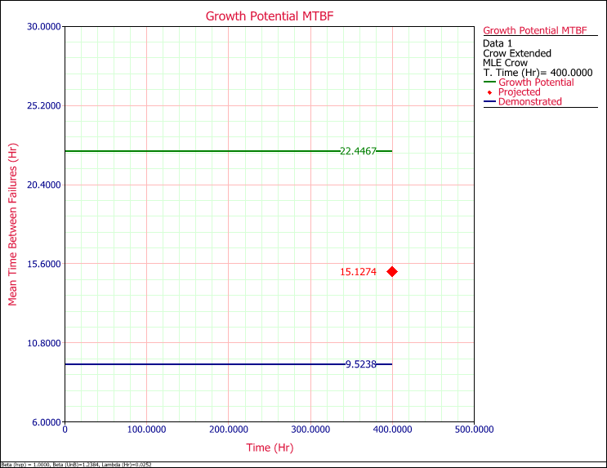

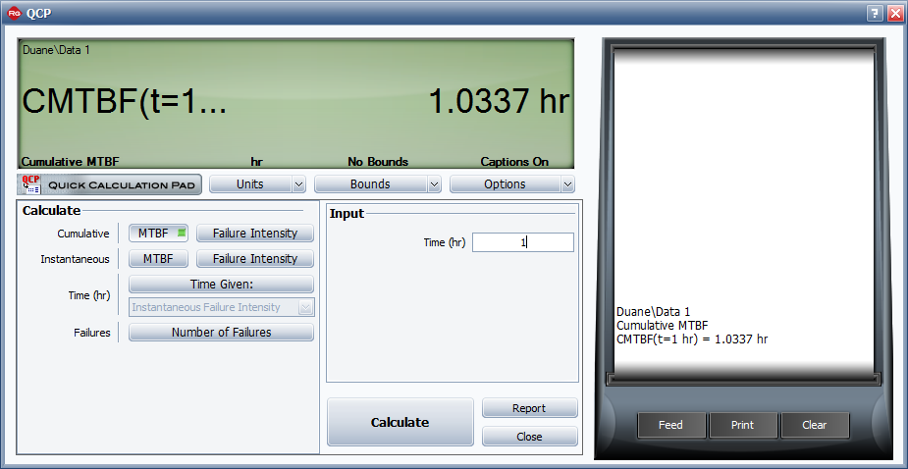
Duane Model
Mc = bTα
Mc = Cumulative MTBF
b= Initial MTBF at time =1 or beginning of test
T = Desired time
α = Growth rate

Parameters
Model | Duane
Analysis | LS
Alpha | 0.538377
A | 0.967358
DMTBF (hr) | 174.299275

DFI | 0.005737
Other
Termination Time (hr) | 3256.3

b | 1.0337
α | 0.538377
T | 3256.3
Mc [Θc] | 80.457131634 | =C69*(C71)^C70
Instantaneous MTBF (Θi) [DMTBF] | 174.29186075 | =C72/(1-C70)

 | Input
 | Goal MTBF (hr) | 1000
 | Growth Potential Design Margin | 1.4
 | Average EF | 0.7 | 451.451
 | Management Strategy Ratio | 0.95 | 13.035775178
 | Discovery Beta | 0.65 | 83428.96114
 | Results (hr)
 | Initial Time [t(0)] | 257.412195
 | Initial MTBF | 469
 | Final MTBF (Nom) | 1007.548708
 | Final MTBF (Act) | 1001.873651
 | T Goal (Nom) | 25026.005622
 | T Goal (Act) | 26526.005622
 | Planned Growth MTBF (hr)
 | Phase 1 | 469
 | Phase 2 | 913.035535

 | Initial MTBF (Hour) | 469
 | Initial failure intensity (λ) | 0.002132196162
 | λa | 0.0001066098081
 | λb | 0.0020255863539
 | Total λ | 0.002132196162

 | MGP | Mi / (1-MS x EF)
 | Initial MTBF; Mi (Hour) | 469

 |  | -0.35
 |  | 2.8571428571
 |  | 3.9644241108

 | t0 | (λ B/ λ . β) ^ (1/β - 1)
 | λ | 0.021744914761
 | t0 | 0.060548921185
 |  | 2.8571428571
 |  | 0.0003313630107
 |  | 3017.8383456

Benefit of HALT
Simple cash flow formula
Return on Investment = (Benefit - Investment) / Investment
Benefit: Elimination of cost of failures found in HALT
Investement: Cost of HALT & corrective actions

 |  | Summary of failure cost data needed

 | Summary of failure cost data needed
 | Whole Product Cost (WPC) | • Total burdened cost to build a unit
 | Replacement Cost (RC) | • Service time & equipment
 | Downtime Costs (DC) | • Lost revenue due to failure
 | FFRi | • Rate for each failure mode found
 | PR | • Production Rate

 | Final calculation of HALT Benefit:
 | HALT benefit is the elimination of the cost of failures that were removed in HALT
 | Cost of all failure modes found in HALT, if left undetected & released into the field:

 | Benefit = ∑ (FFRi × PR × WPC × RC × DC)
 |  | i = Individual failure modes, 1 to N

 | Calculating HALT Investment:
 | HALT costs include several factors:
 | Actual test equipment cost { Cost of renting, Depreciation if buying}
 | Consumables
 | Human resources to conduct test { Test execution, Design engineering input during test}
 | Cost of test sample {ideally 4 samples}

 | Calculating HALT Investment:
 | Costs associated with failure identification:
 | Failure analysis
 | Corrective action
 | Validation

 | Calculating HALT Investment:
 | If using outside lab, cost is starightforward
 | Internal equipment, amortize entire lab costs over 5 years, assume 1 week use in HALT, estimate consumables
 | Lab cost ($) / (5*52)

 | Calculating HALT Investment:
 | Human resources for HALT:
 | Test plan creation
 | Test equipment design, set up { including custom test software}
 | Test execution
 | Failure analysis (FA):
 | include outside analysis support if applicable
 | Multiplied by number of failures analyzed

 | Calculating HALT Investment:
 | Test samples (WPC * N)
 | N = Number of unit tested
 | Four (4) samples are ideal

EC
Equipment and Consumables { Lab services costs or amortized capital}

HR
Human resources { For all disciplines, burdened}

WPC * Nt
Whole product cost for units tested { Multipled by number of samples used}

FA
Failure Analysis { Multiply by number of failures investigated}

CA
Corrective action { Multiply by number of failures investigated}

 | HALT Investment is the cost of HALT & cost of CAs
 | Investment = EC + HR + WPC * Nt + (FA + CA) * Nf

 | A Predictive HALT ROI Example
 | First calculate the benefits:
 | Summary of failure cost data needed
 | Whole Product Cost (WPC) | • Total burdened cost to build a unit | WPC estimated | $10,000
 | Replacement Cost (RC) | • Service time & equipment | Not considered in this estimate
 | Downtime Costs (DC) | • Lost revenue due to failure
 | FFRi | • Rate for each failure mode found | FFR = Product of 2.5% (actual field failures) x 20% (likelihood that failure mode was found) x 35% (fraction of total failures represented by this failure mode) | 0.175% | =0.025*0.2*0.35
 | PR | • Production Rate | Production rate for units in first year | 5,000

 | Field failure rate due to failure mode found in HALT:
 | Calculated using the following estimates, based on historical data:
 | Total return rate | 100%
 | Only half of these are actually defective | 50.0%

 | Following conservative assumptions were made:
 | Only one HALT would be done on one unit
 | That HALT would have a 20% chance of finding the single leading cause of failure
 | From typical field failure data, that leading cause of failure would account
 | for 35% of identified failures in the first year

 | Benefit = ∑ (FFRi × PR × WPC × RC × DC)
 | i = Individual failure modes, 1 to N
 | Benefit | $87,500.000 | =PRODUCT(F97,F100,F101)

 | Second calculate the investment:
Equipment and Consumables { Lab services costs or amortized capital}
EC

 | Equipment & consumables estimated @ $3,577
 | {Two weeks of testing, chamber owned, depreciated over 5 years}
 | HR estimated @ $4,000 { 1 engineer, two weeks, $2,000 per week}

Whole product cost for units tested { Multipled by number of samples used}
WPC * Nt

 | WPC for one unit = $10,000 { Only one unit tested}
FA
Failure Analysis { Multiply by number of failures investigated}

CA
Corrective action { Multiply by number of failures investigated}

 | FA & CA estimated together @ $3,000 {one high-level engineer for one week}
 | Investment = EC + HR + WPC * Nt + (FA + CA) * Nf
 | $20,577 | =3577+4000+10000+3000

 | Return on Investment = (Benefit - Investment) / Investment
 | ROI= | 325% | In first year

Lambda Predict
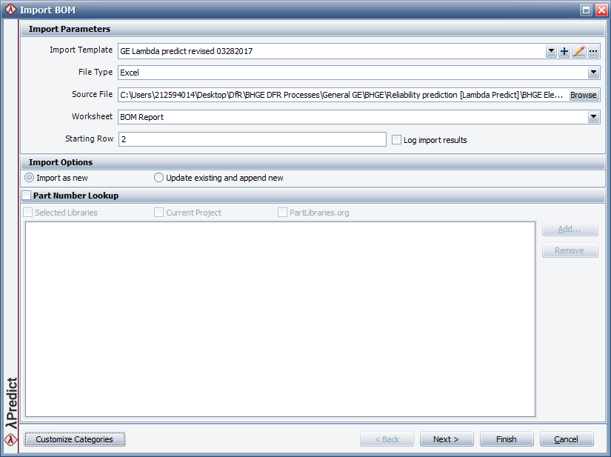
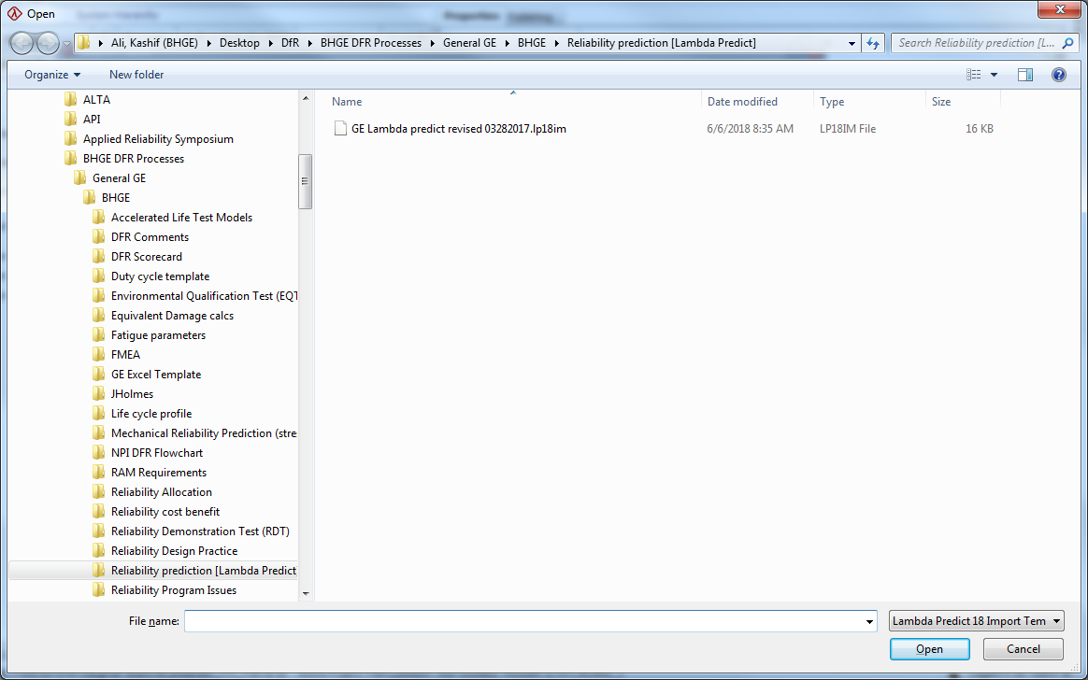

>

Equation Fit Solver
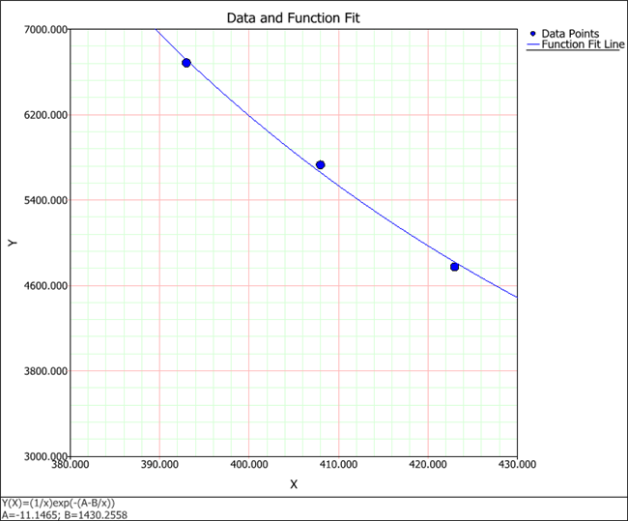
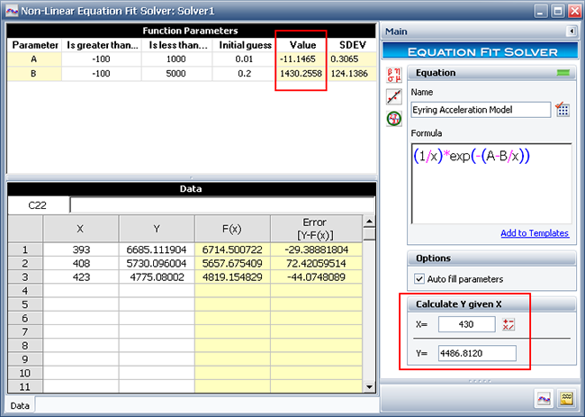
Home > Regression Tools > Equation Fit Solver > Equation Fit Solver
Equation Fit Solver

The Equation Fit Solver is a tool that allows you to estimate the parameters of any user-defined non-linear equation. This gives you the flexibility to perform simple parameter estimation on statistical models other than the life distributions available in Weibull++.
To add an Equation Fit Solver folio to a project, choose Home > Insert > Equation Fit Solver, or right-click the Regression Tools folder in the current project explorer and choose Add Equation Fit Solver on the shortcut menu.

Example
Consider a product that has the following mean life for each stress level:
Table 1: Stress vs. Mean Life
Stress Level (Temperature K) | Mean Life (Hours)
393 | 6,685
408 | 5,730
423 | 4,775

The relationship between the stress level and mean life can be described by the Eyring acceleration model:

where:
m is the mean life.
T is the operating temperature (i.e., use stress level).
A and B are the parameters of the equation.
In order to estimate the mean life at any given temperature, parameters A and B must be determined. To solve for these parameters, follow the steps outlined below:
1. The first step is to write the Eyring acceleration model in the form y = F(x), where x is the random variable. For this example, let T = x and m = y. This results in:

2. Enter the equation in the Formula field of the control panel, as shown next.

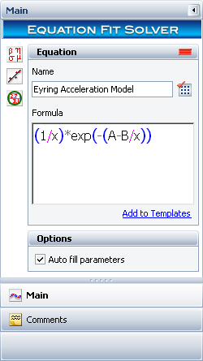

3. Use the Function Parameters area of the folio to provide a starting point for estimating the parameters

In the Is greater than and Is less than columns, set an estimate for the minimum and maximum values for each parameter in the equation. If the iteration does not converge at the specified range, you will need to edit the range values until a solution can be obtained. For this example, use the following values:

A is estimated to be greater than -100 and less than 1000.
B is estimated to be greater than -100 and less than 5000.
In the Initial Guess column, set a value from which the approximation for the corresponding parameter will start. If the iteration cannot arrive at a solution, you will need to edit the initial guess values until a solution can be obtained. For this example, the initial guess for A is 0.01 and the initial guess for B is 0.2.
4. In the Data area, enter the information from Table 1. Enter the stress level values in the X column and enter the mean life values in the Y column.
5. Click the Calculate icon on the control panel to solve for the parameters of the equation..
The parameter values are found to be A = -11.1465 and B = 1430.2558, as shown next. By obtaining the parameters, we can now estimate the mean life (y) for any given stress level (x) by using the Calculate Y given X tool. For example, in the picture shown next, the estimated mean life for a temperature of 430 K is 4486.81 hours.

The following columns allow you to evaluate the results of the parameter estimation:

SDEV shows the standard deviation of the values of the parameters, which helps you to evaluate the amount of variability in the data set.
F(x) shows the calculated mean life (y) at each stress level (x) when the estimated values of the parameters are substituted in the user defined equation.
Error [Y-F(x)] shows the calculated distance (the error) of the known value in the Y column to its corresponding value in the F(x) function. This helps you to evaluate the fit of the F(x) function to the data set.
6. To visually assess how well the function fits the known data points of the equation, click the Plot icon on the control panel. The Data and Function Fit plot is shown next (with the scaling adjusted).

© 1992-2018. HBM Prenscia Inc. ALL RIGHTS RESERVED.
 | E-mail Link

Straight line statistics
X Variable 1 Residual Plot
SUMMARY OUTPUT

Regression Statistics
Multiple R | 0.97864388673
R Square | 0.95774385704
Adjusted R Square | 0.94365847605
Standard Error | 0.74590384703
Observations | 5

ANOVA
 | df | SS | MS | F | Significance F
Regression | 1 | 37.830882353 | 37.830882353 | 67.995594714 | 0.0037344018452
Residual | 3 | 1.6691176471 | 0.55637254902
Normal Probability Plot
Total | 4 | 39.5
X Variable 1 Line Fit Plot
 |  | Predicted Y
2 | 2.0 | 2.3088235294
4 | 3.5 | 3.3382352941
7 | 4.5 | 4.8823529412
11 | 8.0 | 6.9411764706
17 | 9.5 | 10.029411765
 | Coefficients | Standard Error | t Stat | P-value | Lower 95% | Upper 95% | Lower 95.0% | Upper 95.0%
Intercept | 1.2794117647 | 0.61094413203 | 2.0941550915 | 0.12727180173 | -0.66488513102 | 3.2237086604 | -0.66488513102 | 3.2237086604
X Variable 1 | 0.51470588235 | 0.062419278349 | 8.2459441372 | 0.0037344018452 | 0.31605988059 | 0.71335188411 | 0.31605988059 | 0.71335188411

RESIDUAL OUTPUT |  |  |  |  | PROBABILITY OUTPUT

Observation | Predicted Y | Residuals | Standard Residuals |  | Percentile | Y
1 | 2.3088235294 | -0.30882352941 | -0.47807595724 |  | 10 | 2
2 | 3.3382352941 | 0.16176470588 | 0.2504207395 |  | 30 | 3.5
3 | 4.8823529412 | -0.38235294118 | -0.5919035661 |  | 50 | 4.5
4 | 6.9411764706 | 1.0588235294 | 1.6391175677 |  | 70 | 8
5 | 10.029411765 | -0.52941176471 | -0.81955878383 |  | 90 | 9.5

Straight line Fit
Distance (cm) | Force (N)
2 | 2.0
4 | 3.5
7 | 4.5
11 | 8.0
17 | 9.5

PSRT
 | β | 1.5
 |  | Rejection / Acceptance Equations:
 | Rejection: | n.21313.7-71045.2
 | Acceptance | 55336.62+n21313.7

ID | Ti | T | Acceptance Value | Rejection Value | Rejection Value | Decision
1 | 629 | 15,775 | 76,650 | -49,732 | 0 | Continue
2 | 369 | 22,863 | 97,964 | -28,418 | 0 | Continue
3 | 685 | 40,792 | 119,278 | -7,104 | 0 | Continue
4 | 270 | 45,228 | 140,591 | 14,210 | 14,210 | Continue
5 | 682 | 63,039 | 161,905 | 35,523 | 35,523 | Continue
6 | 194 | 65,741 | 183,219 | 56,837 | 56,837 | Continue
7 | 113 | 66,942 | 204,533 | 78,151 | 78,151 | Reject

Binomial Distribution model
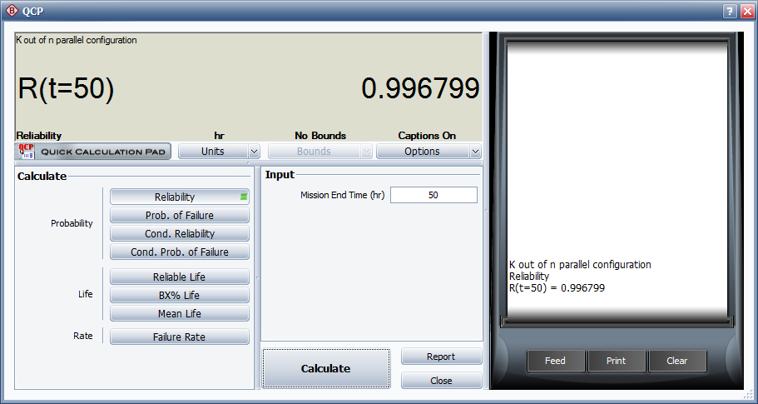
R (50) | 0.904837

n | 4
r | 2
r | 3
r | 4

 | 6 | =FACT($D$8)/(FACT(D9)*FACT($D$8-D9))
 | 4 | =FACT($D$8)/(FACT(D10)*FACT($D$8-D10))
 | 1 | =FACT($D$8)/(FACT(D11)*FACT($D$8-D11))

R 2 out of 4 | 0.044486496239 | =$D13*($D$3)^$D9*(1-$D$3)^($D$8-$D9)
R 3 out of 4 | 0.28199354649 | =$D14*($D$3)^$D10*(1-$D$3)^($D$8-$D10)
R 4 out of 4 | 0.67031880728 | =$D15*($D$3)^$D11*(1-$D$3)^($D$8-$D11)
R system | 0.99679885002

Active Standby Model
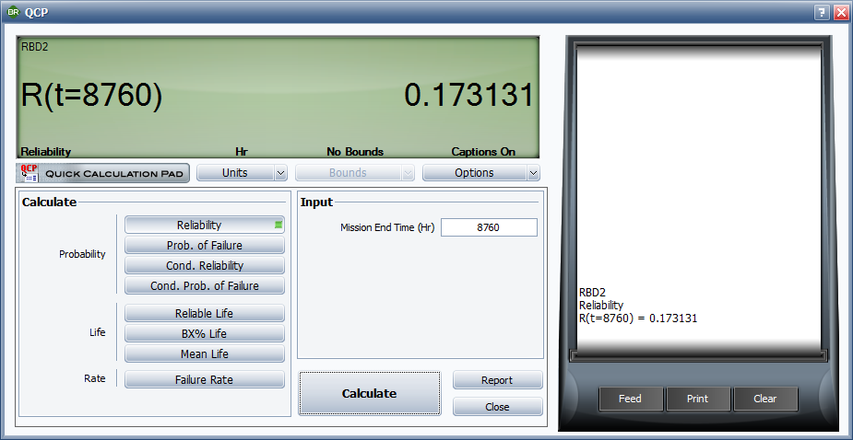
R _{s} (t) $=ⅇ^{−λat}+\frac{pλa}{λb − λa }(ⅇ^{−λat}$ - $ⅇ^{−λbt}$)
Where: p is the reliability of the switch
λa is the failure rate for the primary component
λb is the failure rate of the standby component
Active generator, λa (failures / hour) | 0.001
Standby generator, λb (failures / hour) | 0.002
Active generator, MTBFa | 1000
Standby generator, MTBFb | 500
Operating time (hours) | 50
Probability of switching | 1

 | 0.9512294245 | =1/EXP(C4*C8) |  | 4.6853310359E-07
 | 1 | =(C9*C4)/(C5-C4) |  | 9.6860276528E-08
 | 0.046392006465 | =1/EXP(C4*C8)-1/EXP(C5*C8) |  | 1.032E+07 | CTDT
 | Rsystem (8,760) | 0.99762 | =C12+C13*C14 | 2.134E+06 | PSM 1
 |  |  |  | 8.190E+06

Medical Device LCC
 |  |  | No | Description | A | B | B
 |  |  | 1 | Price | $200,000 | $220,000 | $240,000
 |  |  | 2 | Failure rate per year (λ) | 0.02 | 0.03 | 0.04
 |  |  | 3 | Failure rate per hour (λ) | 2.2831050228E-06 | 3.4246575342E-06 | 4.5662100457E-06
 |  |  | 4 | MTBF (Hours) | 438,000 | 292,000 | 219,000
 |  |  | 5 | R (10) | 0.82 | 0.74 | 0.67
 |  |  | 6 | Interest rate | 7% | 7% | 7%
 |  |  | 7 | Useful operating life (years) | 10 | 10 | 10
 |  |  | 8 | Expected cost of failure | $5,000 | $6,000 | $7,000
 |  |  | 9 | Annual operating cost | $6,000 | $4,500 | $3,000
 |  |  | 10 | Cost of failure per year | $100 | $180 | $280

 | Medical equipment A
 | 0 | 1 | 2 | 3 | 4 | 5 | 6 | 7 | 8 | 9 | 10
Equipment Cost | -$200,000
Cost of failure per year | $0 | $100 | $100 | $100 | $100 | $100 | $100 | $100 | $100 | $100 | $100
Discount factor @ 6% | 1 | 0.93 | 0.87 | 0.82 | 0.76 | 0.71 | 0.67 | 0.62 | 0.58 | 0.54 | 0.51
Present value maintenance cost [PVam] | $0 | $93.46 | $87.34 | $81.63 | $76.29 | $71.30 | $66.63 | $62.27 | $58.20 | $54.39 | $50.83 | $702.36
Present value operating cost [PVao] | $0 | $5,607.48 | $5,240.63 | $4,897.79 | $4,577.37 | $4,277.92 | $3,998.05 | $3,736.50 | $3,492.05 | $3,263.60 | $3,050.10 | $42,141.49
Cash flow [ Net Income] | -$200,000 | $5,700.93 | $5,327.98 | $4,979.42 | $4,653.66 | $4,349.22 | $4,064.69 | $3,798.77 | $3,550.26 | $3,318.00 | $3,100.93
NPV | -$157,156
LCCA | $242,843.85
 | Medical equipment B
 | 0 | 1 | 2 | 3 | 4 | 5 | 6 | 7 | 8 | 9 | 10
Equipment Cost | -$220,000
Cost of failure per year | $0 | $180 | $180 | $180 | $180 | $180 | $180 | $180 | $180 | $180 | $180
Discount factor @ 6% | 1 | 0.93 | 0.87 | 0.82 | 0.76 | 0.71 | 0.67 | 0.62 | 0.58 | 0.54 | 0.51
Present value maintenance cost [PVam] | $0 | $168.22 | $157.22 | $146.93 | $137.32 | $128.34 | $119.94 | $112.09 | $104.76 | $97.91 | $91.50 | $1,264.24
Present value operating cost [PVao] | $0 | $4,205.61 | $3,930.47 | $3,673.34 | $3,433.03 | $3,208.44 | $2,998.54 | $2,802.37 | $2,619.04 | $2,447.70 | $2,287.57 | $31,606.12
Cash flow [ Net Income] | -$220,000 | $4,373.83 | $4,087.69 | $3,820.27 | $3,570.35 | $3,336.78 | $3,118.48 | $2,914.47 | $2,723.80 | $2,545.61 | $2,379.07
NPV | -$187,130
LCCB | $252,870.36

 | Medical equipment C
 | 0 | 1 | 2 | 3 | 4 | 5 | 6 | 7 | 8 | 9 | 10
Equipment Cost | -160000
Cost of failure per year | 0 | 180 | 180 | 180 | 180 | 180 | 180 | 180 | 180 | 180 | 180
Discount factor @ 6% | 1 | 0.93457943925 | 0.87343872827 | 0.81629787689 | 0.76289521205 | 0.71298617948 | 0.66634222382 | 0.62274974188 | 0.58200910457 | 0.54393374258 | 0.50834929213
Present value maintenance cost [PVam] | 0 | 168.22429907 | 157.21897109 | 146.93361784 | 137.32113817 | 128.33751231 | 119.94160029 | 112.09495354 | 104.76163882 | 97.908073665 | 91.502872584 | 1264.2446774
Present value operating cost [PVao] | 0 | 4205.6074766 | 3930.4742772 | 3673.340446 | 3433.0284542 | 3208.4378077 | 2998.5400072 | 2802.3738385 | 2619.0409705 | 2447.7018416 | 2287.5718146 | $31,606.12
Cash flow [ Net Income] | -160000 | 4373.8317757 | 4087.6932483 | 3820.2740638 | 3570.3495924 | 3336.77532 | 3118.4816075 | 2914.468792 | 2723.8026094 | 2545.6099153 | 2379.0746872
NPV | -$127,130
LCCC | $192,870.36

Life Cycle Cost
LCCA | $242,843.85
LCCB | $252,870.36
LCCC | $192,870.36

Medical Device LCC (2)
Long term cost of ownership = | Initial cost + failure cost + maintenance cost (include spares and outside servies) + operating costs + disposal costs

 |  |  | No | Description | A | B
 |  |  | 1 | Price | $180,000 | $160,000
 |  |  | 2 | Failure rate per year (λ) | 0.04 | 0.03
 |  |  | 3 | Failure rate per hour (λ) | 4.5662100457E-06 | 3.4246575342E-06
 |  |  | 4 | MTBF (Hours) | 219,000 | 292,000
 |  |  | 5 | R (15) | 0.55 | 0.64
 |  |  | 6 | Interest rate | 6% | 6%
 |  |  | 7 | Useful operating life (years) | 15 | 15
 |  |  | 8 | Expected cost of failure | $6,000 | $5,000
 |  |  | 9 | Annual operating cost | $2,000 | $5,000
 |  |  | 10 | Cost of failure per year | $240 | $150

 | MACHINE A
 | 0 | 1 | 2 | 3 | 4 | 5 | 6 | 7 | 8 | 9 | 10 | 11 | 12 | 13 | 14 | 15
Equipment Cost | -$180,000
Probability of failure | 0 | 0.039 | 0.077 | 0.113 | 0.148 | 0.181 | 0.213 | 0.244 | 0.274 | 0.302 | 0.330 | 0.356 | 0.381 | 0.405 | 0.429 | 0.451
Cost of failure | $0 | $235 | $461 | $678 | $887 | $1,088 | $1,280 | $1,465 | $1,643 | $1,814 | $1,978 | $2,136 | $2,287 | $2,433 | $2,573 | $2,707
Discount factor @ 6% | 1 | 0.94 | 0.89 | 0.84 | 0.79 | 0.75 | 0.70 | 0.67 | 0.63 | 0.59 | 0.56 | 0.53 | 0.50 | 0.47 | 0.44 | 0.42
Present value maintenance cost [PVam] | $0 | $221.95 | $410.56 | $569.66 | $702.70 | $812.73 | $902.51 | $974.51 | $1,030.90 | $1,073.67 | $1,104.55 | $1,125.10 | $1,136.72 | $1,140.63 | $1,137.93 | $1,129.59 | $13,473.70
Present value operating cost [PVao] | $0 | $1,886.79 | $1,779.99 | $1,679.24 | $1,584.19 | $1,494.52 | $1,409.92 | $1,330.11 | $1,254.82 | $1,183.80 | $1,116.79 | $1,053.58 | $993.94 | $937.68 | $884.60 | $834.53 | $19,424.50
Cash flow [ Net Income] | -$180,000 | $2,108.74 | $2,190.55 | $2,248.90 | $2,286.88 | $2,307.25 | $2,312.43 | $2,304.62 | $2,285.73 | $2,257.47 | $2,221.34 | $2,178.68 | $2,130.66 | $2,078.31 | $2,022.53 | $1,964.12
NPV | -$147,102 |  | -$29,945.65
LCCA | $212,898.20
 | MACHINE B
 | 0 | 1 | 2 | 3 | 4 | 5 | 6 | 7 | 8 | 9 | 10 | 11 | 12 | 13 | 14 | 15
Equipment Cost | -$160,000
Probability of failure | 0 | 0.030 | 0.058 | 0.086 | 0.113 | 0.139 | 0.165 | 0.189 | 0.213 | 0.237 | 0.259 | 0.281 | 0.302 | 0.323 | 0.343 | 0.362
Cost of failure | $0 | $148 | $291 | $430 | $565 | $696 | $824 | $947 | $1,067 | $1,183 | $1,296 | $1,405 | $1,512 | $1,615 | $1,715 | $1,812
Discount factor @ 6% | 1 | 0.94 | 0.89 | 0.84 | 0.79 | 0.75 | 0.70 | 0.67 | 0.63 | 0.59 | 0.56 | 0.53 | 0.50 | 0.47 | 0.44 | 0.42
Present value maintenance cost [PVam] | $0 | $139.41 | $259.15 | $361.33 | $447.85 | $520.44 | $580.64 | $629.86 | $669.36 | $700.28 | $723.63 | $740.34 | $751.23 | $757.04 | $758.44 | $756.03 | $8,795.01
Present value operating cost [PVao] | $0 | $4,716.98 | $4,449.98 | $4,198.10 | $3,960.47 | $3,736.29 | $3,524.80 | $3,325.29 | $3,137.06 | $2,959.49 | $2,791.97 | $2,633.94 | $2,484.85 | $2,344.20 | $2,211.50 | $2,086.33 | $48,561.24
Cash flow [ Net Income] | -$160,000 | $4,856.39 | $4,709.13 | $4,559.42 | $4,408.32 | $4,256.73 | $4,105.44 | $3,955.15 | $3,806.42 | $3,659.77 | $3,515.60 | $3,374.27 | $3,236.07 | $3,101.24 | $2,969.95 | $2,842.35
NPV | -$102,644 |  | -$35,514.11
LCCA | $217,356.25

IRR
Present value
End of Year | Cash Flow
0 | -100,000
1 | 15,000
2 | 20,000
3 | 25,000
4 | 30,000
5 | 35,000
6 | 40,000

Interest rate | NPV
0 | 65,000
0.03 | 46,639
0.05 | 35,975
0.09 | 17,751
0.12 | 6,322
0.15 | -3,549
0.18 | -12,119
0.21 | -19,597

 | NPV
0 | 65,000
0.03 | 46,639
0.05 | 35,975
0.09 | 17,751
0.12 | 6,322
0.15 | -3,549
0.18 | -12,119
0.21 | -19,597

Reliability Model & Costs (2)
A vendor offers three grades of equipment for solving our plant problem. Disregarding depreciation and
other accounting details, which grade of equipment should we select for the lowest long term cost of ownership
(assume plant life ends after 20 years =175,200 hours). What are the savings?

Long Term Cost of Ownership
 | 785800
 | 362800
 | 368192
Inputs
Operating hours | 175,200
Cost of equipment | $50,000
Cost per failure | $5,000

 | System A |  | System B |  | System C

Cost of the new equipment |  | $50,000 |  | $75,000 |  | $150,000
Failure rate (failures / hour) | 0.0005 |  | 0.0001 |  | 0.00001
Reliability for 1 year mission | 1.25% |  | 41.64% |  | 91.61%
Number of failures in 20 years | 87.6 |  | 17.52 |  | 1.752
20 year failure cost |  | $438,000 |  | $87,600 |  | $8,760
Equipment overhaul required every | 5 years |  | 10 years |  | 10 years
Each overhaul cost is | $10,000 |  | $20,000 |  | $45,000
20 year number of overhauls & costs | 3 | $30,000 | 1 | $20,000 | 1 | $45,000
Operating cost per hour | $1 |  | $0.9 |  | $0.9
20 year operating costs |  | $175,200 |  | $157,680 |  | $157,680
Corrective maintenance cost per hour | $100 |  | $100 |  | $100
Time to repair (hours) | 10 |  | 10 |  | 10
Corrective maintenance cost over 20 year life |  | $87,600 |  | $17,520 |  | $1,752
Disposal cost at retirement |  | $5,000 |  | $5,000 |  | $5,000
Total long term cost (excluding depreciation, interest rate, etc) |  | $785,800 |  | $362,800 |  | $368,192

Reliability Model & Costs
A vendor offers three grades of equipment for solving our plant problem. Disregarding depreciation and
other accounting details, which grade of equipment should we select for the lowest long term cost of ownership
(assume plant life ends after 20 years =175,200 hours). What are the savings?

Inputs
Operating hours | 175,200
Cost of equipment | $50,000
Cost per failure | $5,000

 | 698200
 | 345280
 | 366440
 | System A |  | System B |  | System C
Cost of the new equipment |  | $50,000 |  | $75,000 |  | $150,000
Failure rate (failures / hour) | 0.0005 |  | 0.0001 |  | 0.00001
Reliability for 1 year mission | 1.25% |  | 41.64% |  | 91.61%
Number of failures in 20 years | 87.6 |  | 17.52 |  | 1.752
20 year failure cost |  | $438,000 |  | $87,600 |  | $8,760
Equipment overhaul required every | 5 years |  | 10 years |  | 10 years
Each overhaul cost is | $10,000 |  | $20,000 |  | $45,000
20 year number of overhauls & costs | 3 | $30,000 | 1 | $20,000 | 1 | $45,000
Operating /routine maintenance cost per hour | $1 |  | $0.9 |  | $0.9
20 year operating / routine maintenance costs |  | $175,200 |  | $157,680 |  | $157,680
Disposal cost at retirement |  | $5,000 |  | $5,000 |  | $5,000

Total long term cost (excluding depreciation, interest rate, etc) |  | $698,200 |  | $345,280 |  | $366,440

Financial Impact of Supplier
 |  | Model parameters of the button life distribution
Supplier | Beta | Eta (Cycles) | MTTF (Cycles)
1 | 7.23 | 2.89E+06 | 2.71E+06
2 | 2.31 | 2.62E+06 | 2.32E+06

 |  | Model parameters of the button life distribution
 |  | at the elevator level
Supplier | Beta | Eta (Cycles) | MTTF (Cycles)
1 | 7.23 | 1.91E+06 | 1.79E+06
2 | 2.31 | 7.16E+05 | 6.34E+05

Supplier A |  |  |  |  | A | $612,163
 |  |  |  |  | B | $1,545,109
Initial Costs
5,000 Elevators x 20 Buttons x $1.00= |  |  |  | $100,000
Expected failures per elevator during warranty period
Supplier Cost
730,000 Cycles / 1.79E+06 Cycles= |  |  | 0.40809778111
Expected failures throughout install base
5000 Elevators x 0.40809 failures = |  |  | 2040.49
Warranty costs
2040.49 Failures x $250 (Cost per repair) |  |  |  | $510,122
Total cost for Supplier A |  |  |  | $612,163

Supplier A

Initial Costs
5,000 Elevators x 20 Buttons x $1.00= |  |  |  | $100,000
Expected failures per elevator during warranty period
730,000 Cycles / 6.34E+05 Cycles= |  |  | 1.1514801236
Expected failures throughout install base
5000 Elevators x 1.1514 failures = |  |  | 5757.40
Warranty costs
5757 Failures x $250 (Cost per repair) |  |  |  | $1,439,350
Total cost for Supplier A |  |  |  | $1,545,109

DFR Survey Score
% / YR (Normalized) | DFR Survey Score (%)
0%
1.8% | 90%
2% | 80%
2.2% | 70%
3% | 50%
4% | 40%
4.8% | 30%
6% | 10%

 | DFR Survey Score (%)
0.0%
1.8% | 90%
2.0% | 80%
2.2% | 70%
3.0% | 50%
4.0% | 40%
4.8% | 30%
6.0% | 10%

Logarithmic Plot
Voltage within a capacitor varies with time according to the following formula:
V=10e-0.5t

Time | Voltage
0 | 10
1 | 6.065
2 | 3.679
3 | 2.231
4 | 1.353
5 | 0.821
6 | 0.498
7 | 0.302
8 | 0.183
9 | 0.111
10 | 0.067

Radius | Area | Volume
0 | 0 | 0
1 | 12.56 | 4.1866666667
2 | 50.24 | 33.493333333
3 | 113.04 | 113.04
4 | 200.96 | 267.94666667
5 | 314 | 523.33333333
6 | 452.16 | 904.32
7 | 615.44 | 1436.0266667
8 | 803.84 | 2143.5733333
9 | 1017.36 | 3052.08
10 | 1256 | 4186.6666667

Bacteria concentration
Time (min), t | Bacteria Concentration, PPM | Growth rate, CA | Time (min), t | ln CA | Growth rate, CB | Growth rate, CB | Growth rate, CA
0 | 6 | 3.98E-01 | 0 | 1.79 | 0.00E+00 | 0.00E+00 | 3.98E-01
1 | 9 | 1.80E+02 | 1 | 2.20 | 5.49E+00 | 5.49E+00 | 1.80E+02
2 | 15 | 8.11E+04 | 2 | 2.71 | 1.58E+01 | 1.58E+01 | 8.11E+04
3 | 19 | 3.66E+07 | 3 | 2.94 | 2.95E+01 | 2.95E+01 | 3.66E+07
4 | 32 | 1.65E+10 | 4 | 3.47 | 4.57E+01 | 4.57E+01 | 1.65E+10
5 | 42 | 7.45E+12 | 5 | 3.74 | 6.43E+01 | 6.43E+01 | 7.45E+12
6 | 63 | 3.36E+15 | 6 | 4.14 | 8.50E+01 | 8.50E+01 | 3.36E+15
7 | 102 | 1.52E+18 | 7 | 4.62 | 1.08E+02 | 1.08E+02 | 1.52E+18
8 | 153 | 6.84E+20 | 8 | 5.03 | 1.32E+02 | 1.32E+02 | 6.84E+20
9 | 220 | 3.09E+23 | 9 | 5.39 | 1.58E+02 | 1.58E+02 | 3.09E+23
10 | 328 | 1.39E+26 | 10 | 5.79 | 1.86E+02 | 1.86E+02 | 1.39E+26

Growth rate, CB
Type A bacteria is governed by a process described by equation CA = aebt
Type B bacteria is governed by a process described by equation CB=atb

A |  |  | Time (min) , t | ln CB
b | 6.112 |  | #NUM! | 1.79
a | 0.3982 |  | 0.000 | 2.20
 |  |  | 0.693 | 2.71
B |  |  | 1.099 | 2.94
b | 1.5293 |  | 1.386 | 3.47
a | 5.489 |  | 1.609 | 3.74
 |  |  | 1.792 | 4.14
 |  |  | 1.946 | 4.62
 |  |  | 2.079 | 5.03
 |  |  | 2.197 | 5.39
 |  |  | 2.303 | 5.79

Growth rate, CA

